1. Title Page
Instacart Grocery Basket Analysis

Project Name: Instacart Grocery Basket Analysis
Date: August 2025
Analyst Name: Sam Monteath

Contents:
Population Flow
Consistency checks
Wrangling steps
Column derivations
Visualizations
Recommendations

DATA CITATION
The Instacart Online Grocery Shopping Dataset 2017”, Accessed from www.instacart.com/datasets/grocery-shopping-2017 via Kaggle, August 2025
NOTE: Customer data is fabricated

2. Population Flow
Title page

Population flow

Exclusion flag
Condition: max_order <
Obervations to be removed:
Final total count of order_products_all:

Orders_products_combined
Orders_products_merged
Orders_products_all

Total: 3,240,395
Total: 32,434,489
Total: 1,000,000 (used a subset as otherwise too large)

1.) The grey boxes in the first row of the population flow represent the original data sets as they were when you downloaded them. In the Total fields you need to add the count of the rows when you imported the data set into Jupyter.
2.) The second row of boxes (coloured) represents the data sets after you manipulated them, e.g., removed missing values and duplicates. In the Total fields you need to add the count of the rows after conducting these operations. This offers a visual oveview of how the data flows throughout the data consistency checks.
3.) The third row, where also the arrows are coloured, represents the merges you performed between the datasets. In the Total fields you need to add the count of the rows in the merged datasets, so that you end up with the final dataset (in the red box). Keep in mind the final dataset should be without exclusions (based on the exclusion flag).

3. Consistency checks
 |  |  |  | Title page
Consistency checks

Dataset | Missing values | Missing values treatment | Duplicates
orders | c8,000 missing orders | Removed | None
products | 16 product names | Removed | 5 products - removed
orders_products_prior
customers
orders_products_merged | 9512 NaN in Frequency Flag | Given value of 'No orders 30' I.e. not ordered in past 30 days
orders_products_merged | Some 'days_since_prior_order' = 0 | Used crosstab to establish that is always when first order is placed

4. Wrangling steps
 |  |  |  | Title page
Wrangling steps

Columns dropped | Columns renamed | Columns' type changed | Comment/Reason
 | 'order_dow' : 'order_day' |  | Consistency / obviousness
 | 'order_hour_of_day' : 'order_hour' |  | Consistency / obviousness
 | order_id | Set as String | A descriptor, not for calculation
 | user_id | Set as String | A descriptor, not for calculation
 | user_id - in 'Customers' | Set as String | A descriptor, not for calculation
Given_Name |  |  | Lots of missing values, but unlikley to affect analysis (we don't need to klnow spending habits of people called Brian)
eval_set' from orders |  |  | Only has one value - is not useful

Data Security
There are no contact or payment details for customers so that is one aspect we don't need to consider

Although - having excluded 'Given Name' as a column - we cannot directly identify any individuals, the combination of data here, means we could.

If we combine Family Name / Gender / Age etc, it would be possible to identify individuals, and then their shopiing habits and personal circumstances. We therefore need to vigilant with how we use this data.

[We note for the purposes of this exercises that the PII included is not actual data]

5. Column derivations
 |  |  |  | Title page

Column derivations and aggregations

In this tab you should add tables below that the frequences of flags/label variables that you produced after deriving them. NB: don't do this for continuous variables, only for flags.
Dataset | New column | Column/s it was derived from | Conditions
orders_products | busiest_time' | order_hour' | 3x busiest hours = "busiest time 3x least busy hours = 'least busy time' Else = 'Regularly busy time'
orders_products_merged | max_order' | order_number' | Maximum order numbers - grouped by User_id I.e. the total orders each customer has placed
orders_products_merged | loyalty_flag' | max_order' | > 40 orders = loyal customer <=40, but >10 = regulr customer <=10 but >=5 = new customer <5 = very new customer
orders_products_merged | average_order' | prices' | Average order value - grouped by User_id I.e. the average prices of each order a customer places
orders_products_merged | spending_flag' | average_order' | >10 = High Spender <=10 = Low Spender
orders_products_merged | order_frequuency' | days_since_prior_order' | Median order frequency - grouped by User_id I.e. the frequency with which each user places an order
orders_products_merged | frequency_flag' | order_frequuency' | >20 = non-frequent <=20, but >10 = regular <=10 = frequent
orders_products_merged | Region' | State' | Divided the 50 states into 4 regions
orders_products_merged | Profile' | age/income/dependents/gender | Rich Retiree = over 60 and income in top quartile Multiple Mom = Female, under 40, more than one dependent Youngand Free = No dependents, unders 30, income at least above first quartile

6. Visualizations
 |  |  |  |  |  | Title page

Visualisations

In this tab you should include all the visualtions from Exercises 4.9 and 4.10, alongside the questions from the project brief that they answer. Include any commentary on the relationship between different variables.

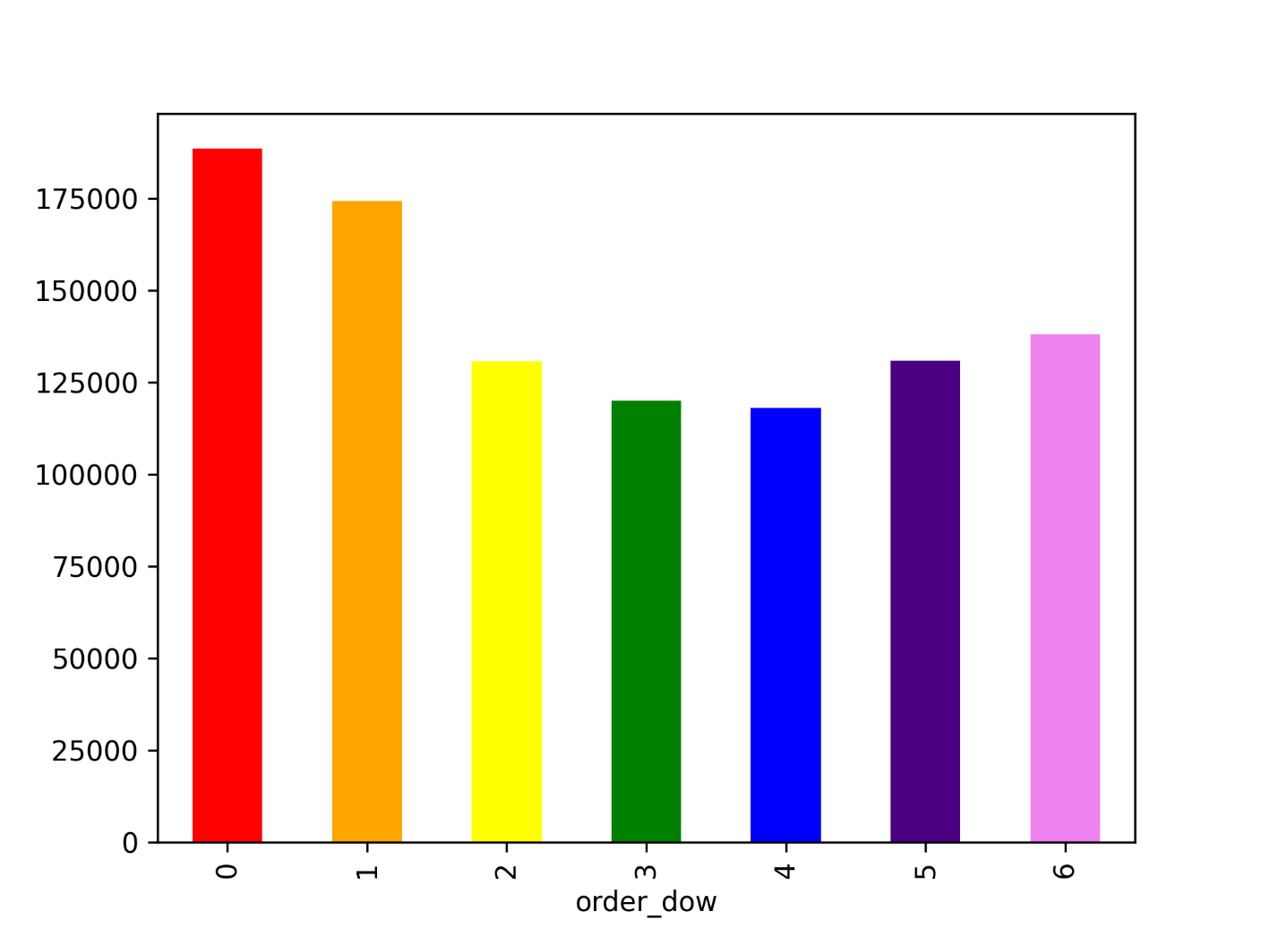

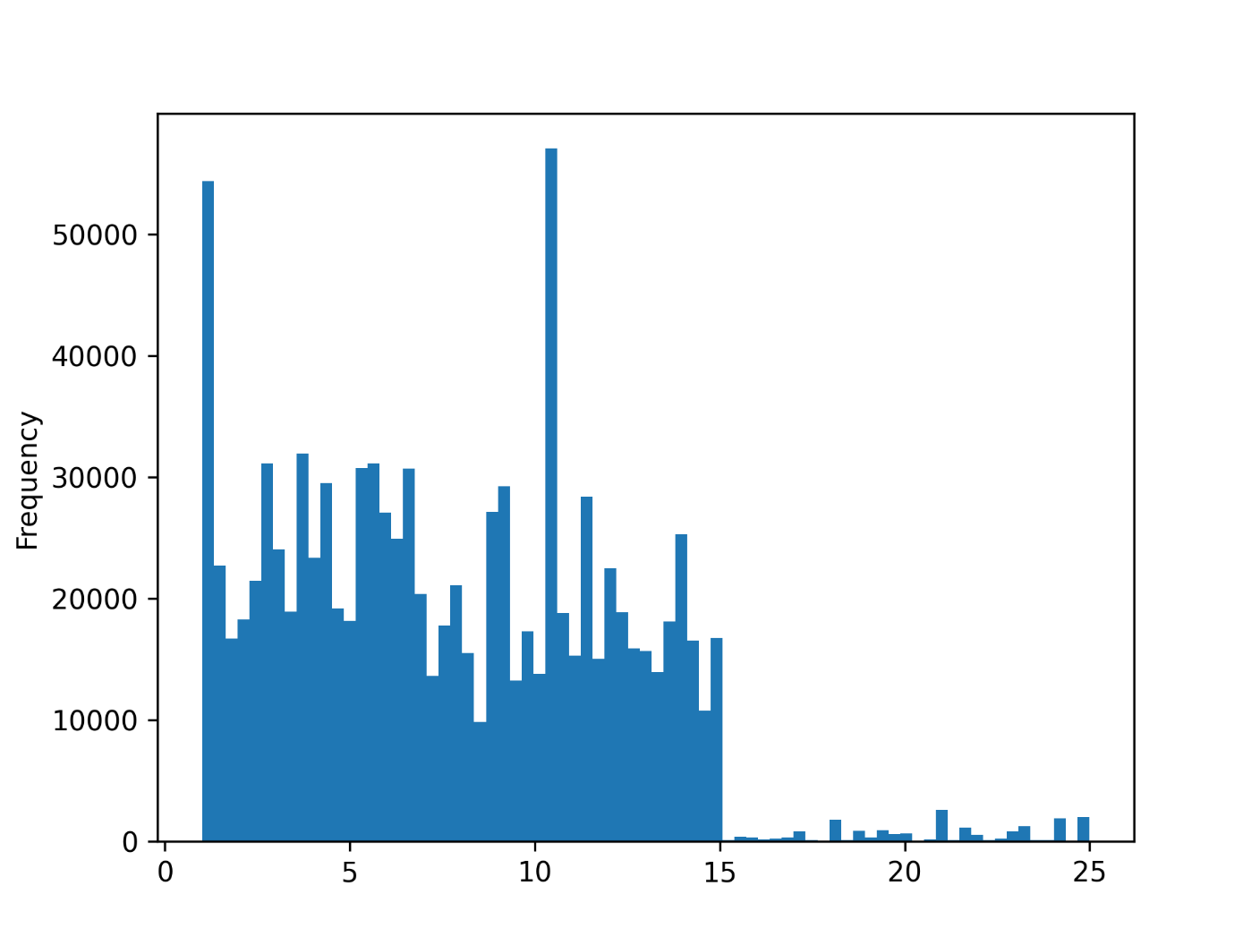

 |  |  | A histogram of the prices - set with 75 bins to give good granularity
 |  |  | Very fewe prices over $15
 |  |  | Otherwise a fairly even spread but notable spikes at the very cheapest price and at around $11

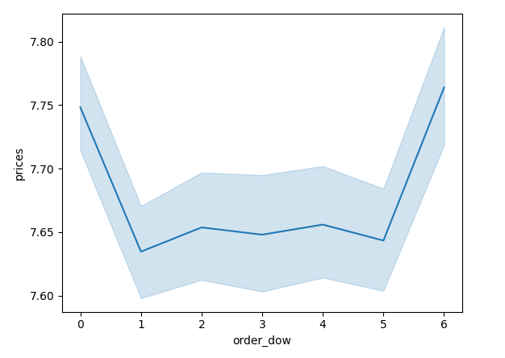

 |  |  | This shows prices of orders by day of the week
 |  |  | More expensive items are ordered at the weekend

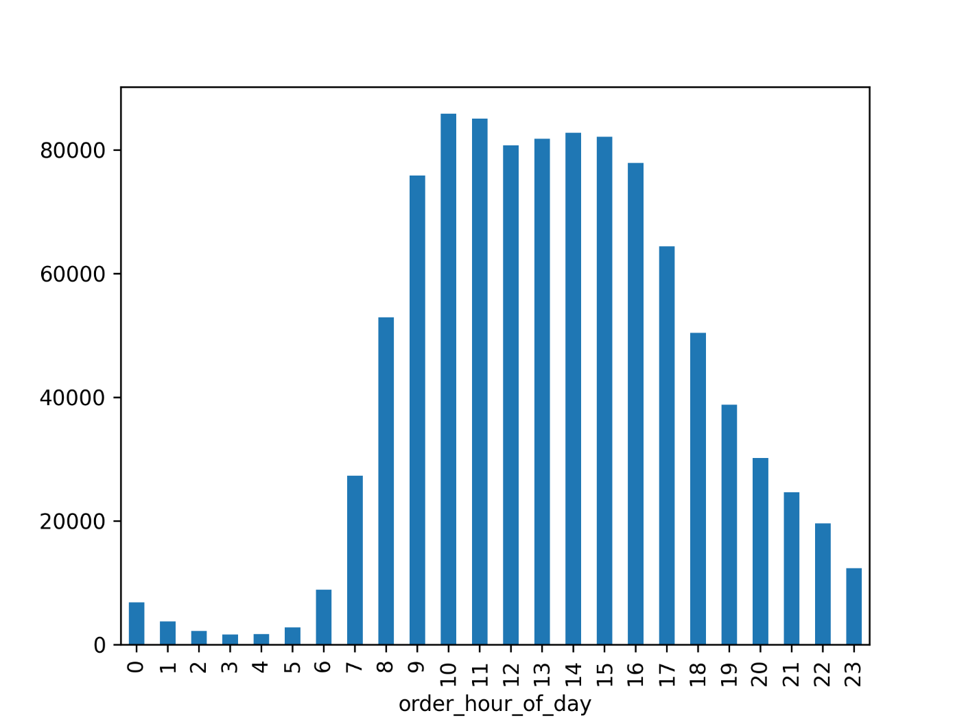

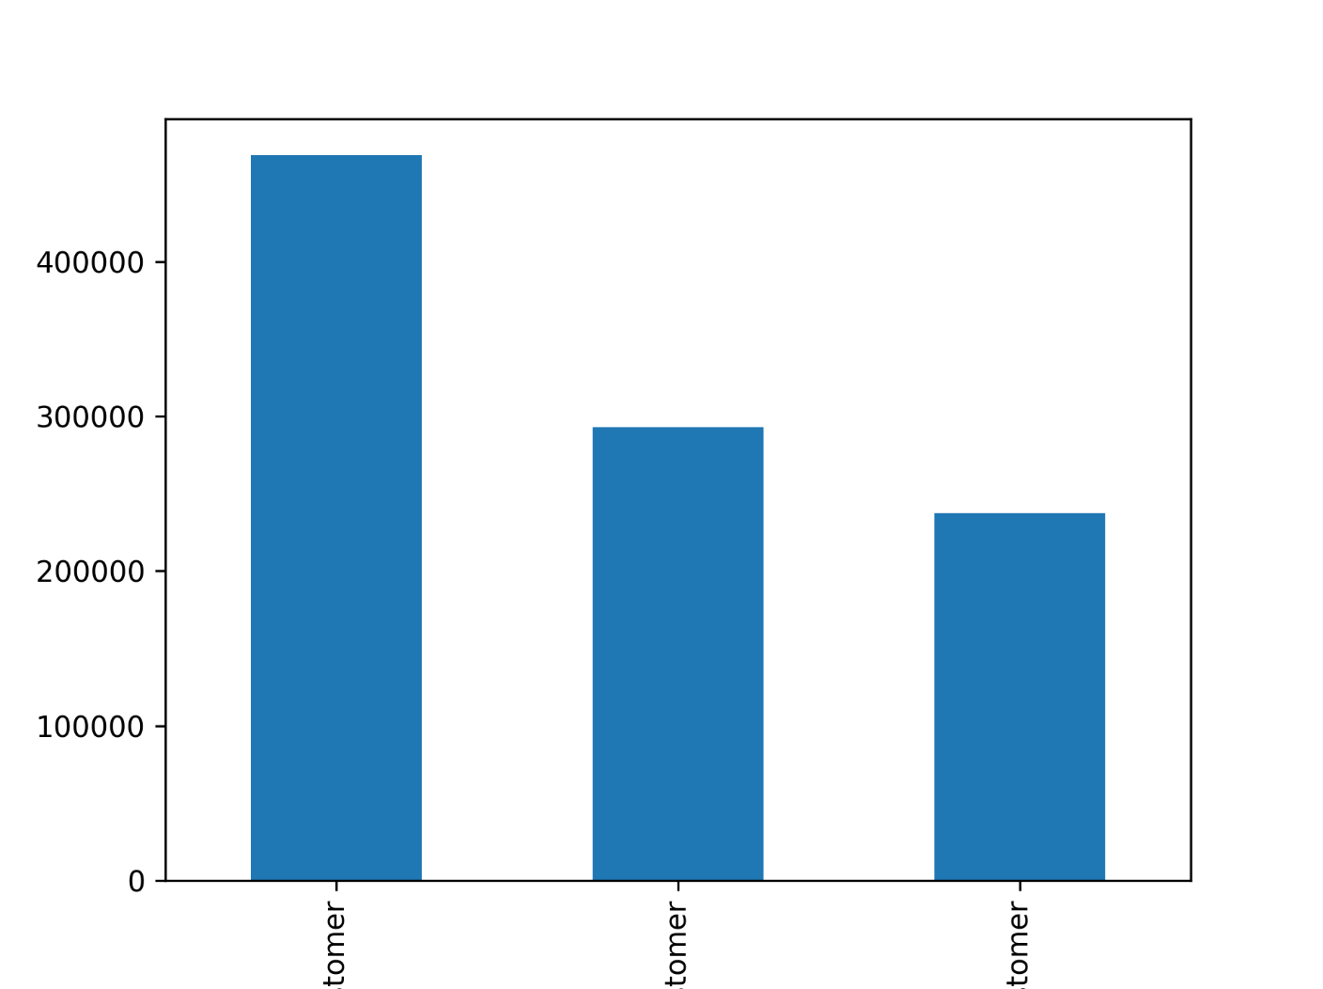

 |  |  |  | This shows the proportion of customers by our 'Loyalty flags'
 |  |  |  | Regular customers place the most orders. New Customers are not far behind Loyal Customers in volume of orders.

Regulr | Loyal | New

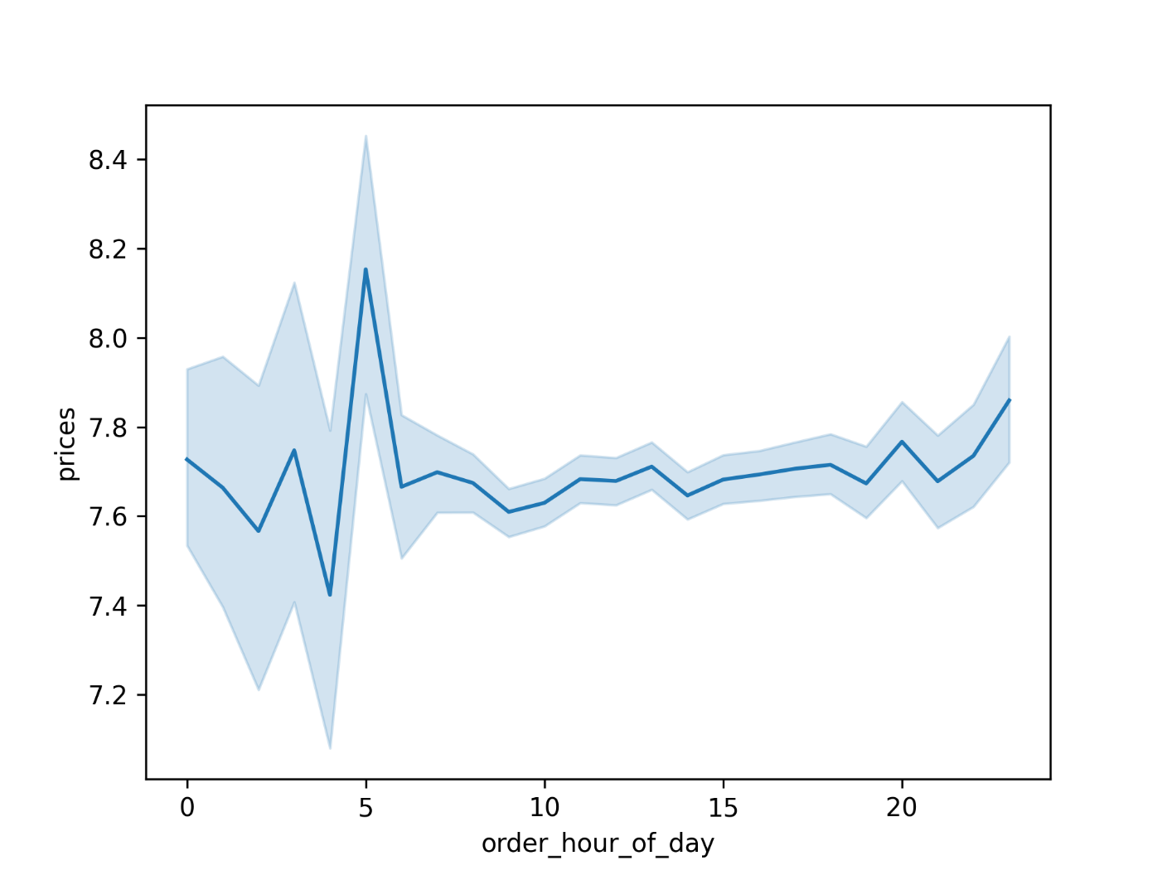

 |  |  |  |  | This shows value of order by hour of day
 |  |  |  |  | Although there aren't many orders at 5am, there IS a huge spike in prices at this time.
 |  |  |  |  | Further investigation showed that many organic bananas - a high value product - are sold at 5am

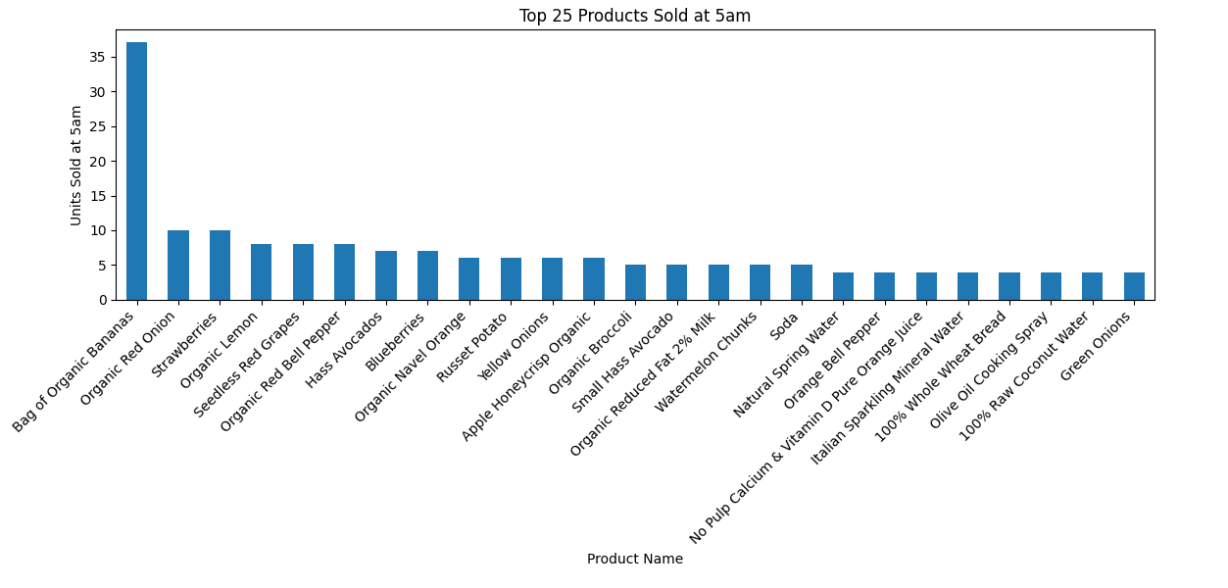

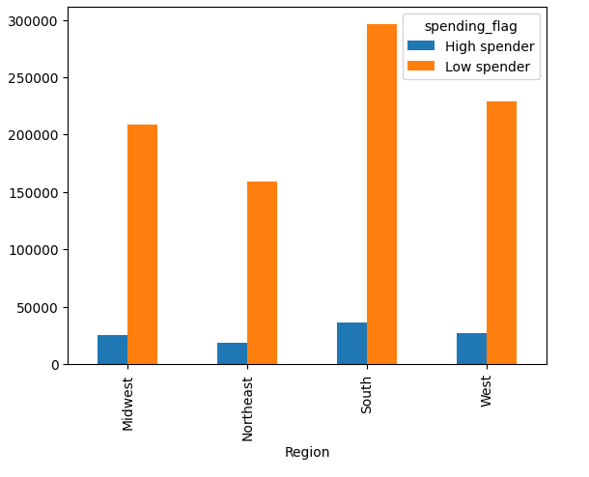

 |  |  |  |  | This shows numbers of high and low spenders by region

 |  |  |  |  | Midwest and West look similar

 |  |  |  |  | There are fewer customers win the NorthEast but a greater proportion are high spenders

 |  |  |  |  | There are most customers in the South and the greatest proportion of low spenders

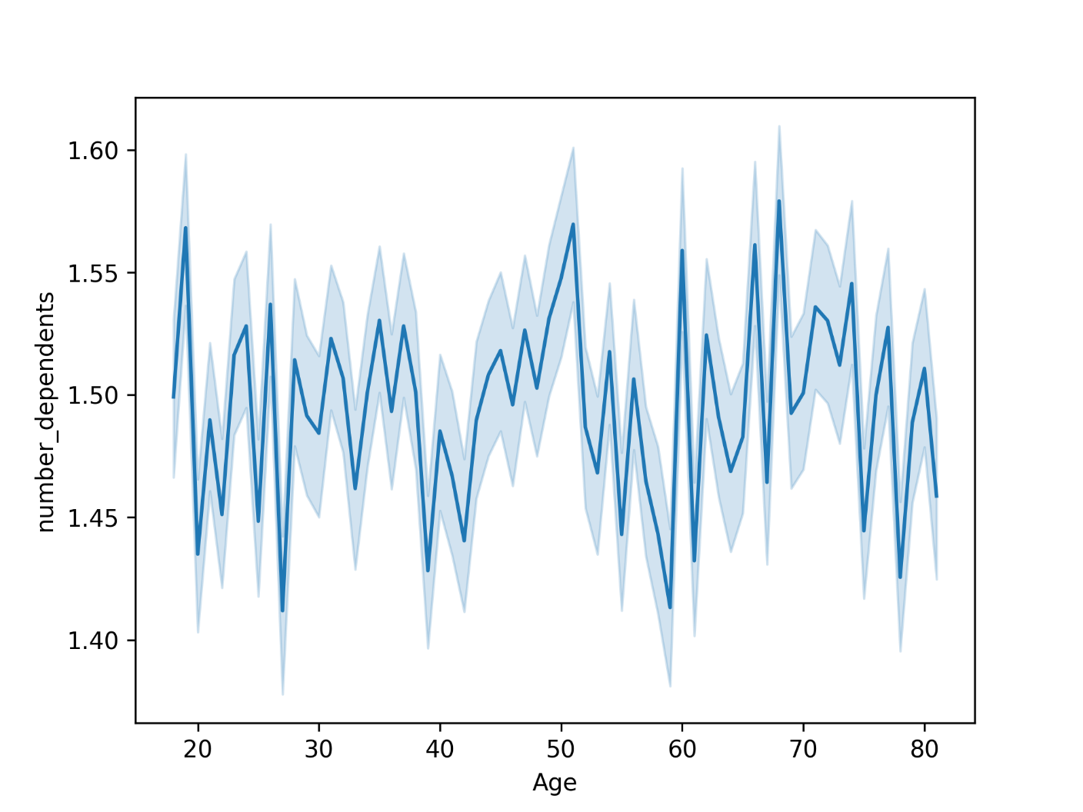

 |  |  |  | This shows relationship between age and number of dependents
 |  |  |  | There is no obvious correlation

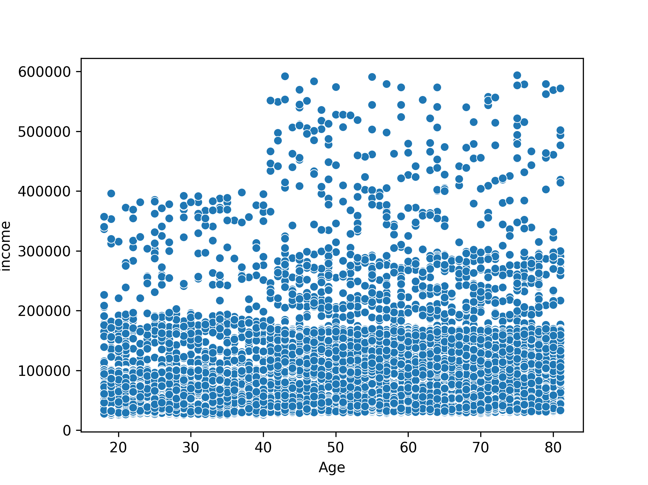

 |  |  |  |  | This shows realtionship between age and income
 |  |  |  |  | The very highest incomes only comae after the age of 40, but most people earn under 200k

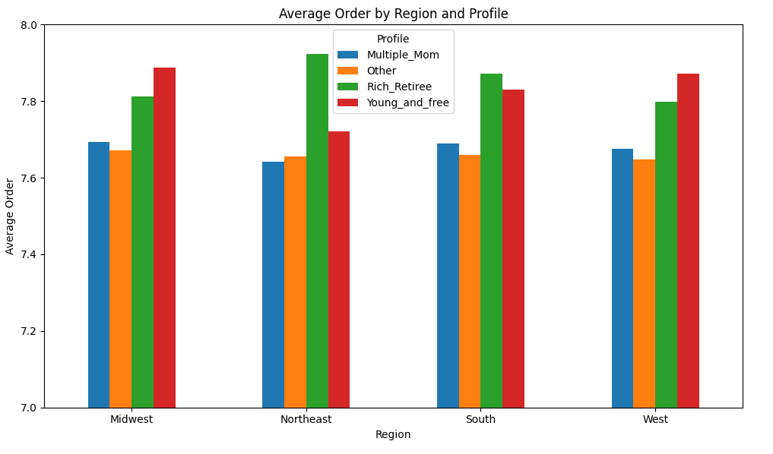
 |  |  |  |  |  | This shows average order by profile and region

 |  |  |  |  |  | Rich Retiree and Young and Free tend to place more expensive orders
 |  |  |  |  |  | Multiple Mom only spend a bit more than Others
 |  |  |  |  |  | Rich Retirees in the NorthEast place the most expensive orders

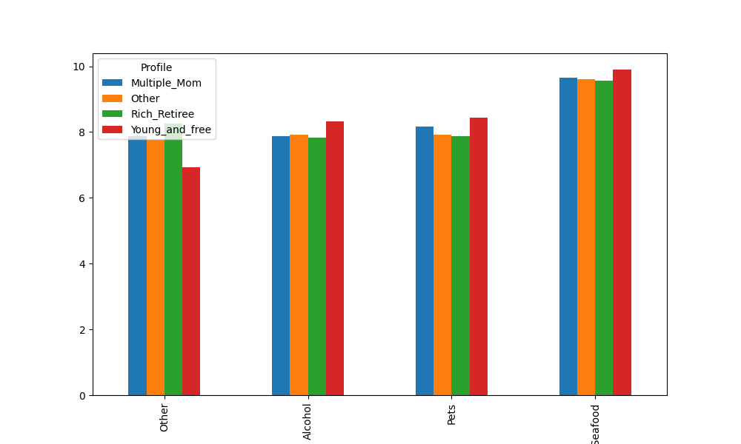

 |  |  |  |  |  |  | This shows average order by profile and the top 4 departments

 |  |  |  |  |  |  | Rich Retirees spend more on "Other" - would need to find out what they are!

 |  |  |  |  |  |  | Young and Free spend more on Alcohol

 |  |  |  |  |  |  | Multiple Mom and Young And Free spend more on pets

 |  |  |  |  |  |  | Meet and Seafood gets the most spend from all our profiles

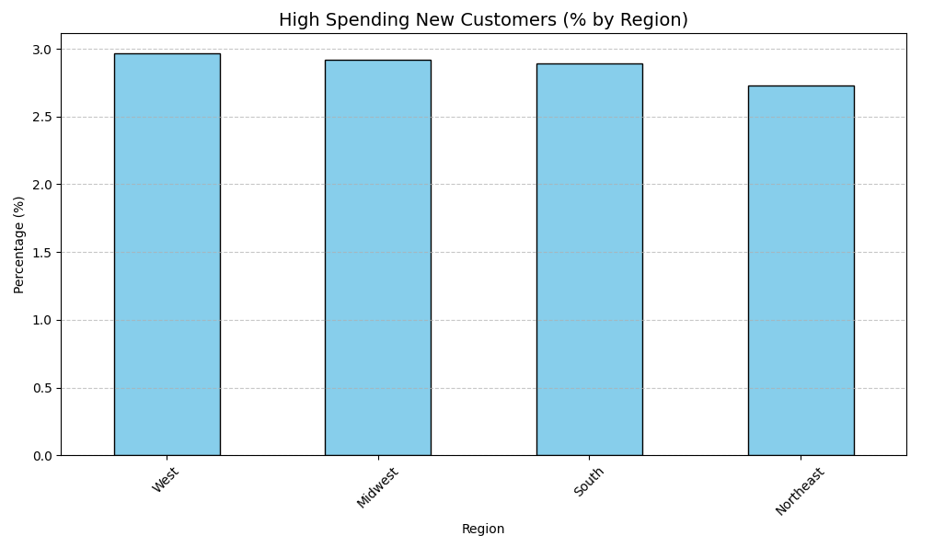
 |  |  |  |  |  |  |  | On the busiest day, High Spending New Customers spend more than anyone else

 |  |  |  |  |  |  |  | This chart shows they are a consistent proportion by region

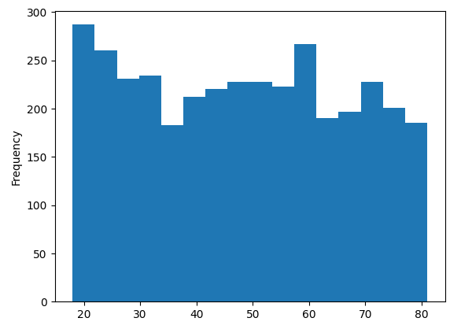
 |  |  |  |  |  |  |  | Alcohol sells considerably more than other products in office hours

 |  |  |  |  |  |  |  | This chart shows that people aged 18 - 24 and 56-60 buy more than others

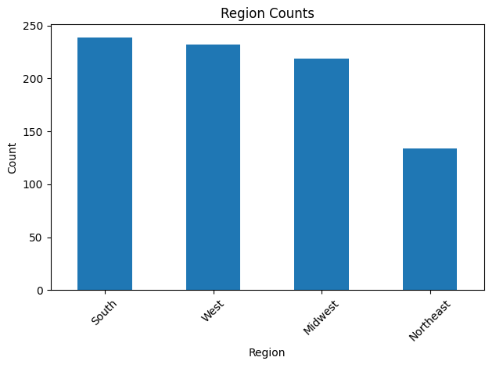

 |  |  |  |  |  |  |  | This chart shows that there are fewer of that age group in the NorthEast region

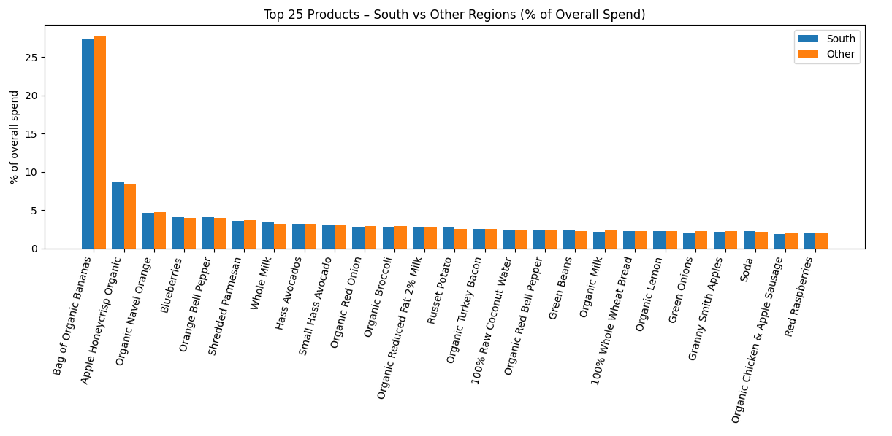
 |  |  |  |  |  |  |  |  | There are more customers in the South than other regions

 |  |  |  |  |  |  |  |  | This chart shows that the products they buy - in $ sales - is similar to the other regions

 |  |  |  |  |  |  |  |  | They buy slightly fewer organic bananas and slightly more organic apples

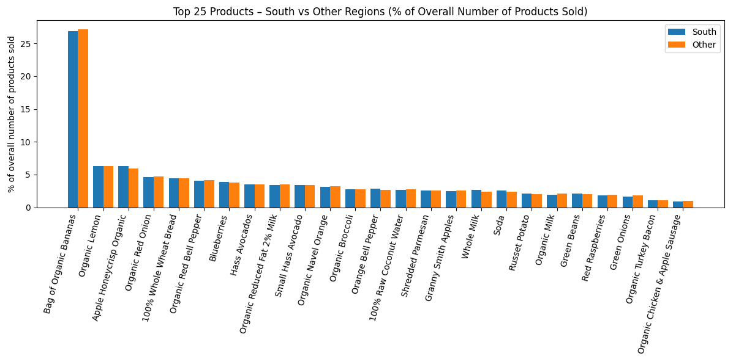
 |  |  |  |  |  |  |  |  | It is a similar story for count of sales

7. Recommendations
 |  |  | Title page

Recommendations

In this tab you should include any recommendations you would made to Instcart in terms of their marketing strategy based on the questions posed in the brief. Every key question has been covered in the Tasks of the Exercises - here you need to add an item - a visualisation or table/crosstable that is showing the answer in the data, acompanied by a comment from you. Please, list the questions below and add the answer underneath.

Question | Answer | My comment
Busiest Day of the Week / Time of Day
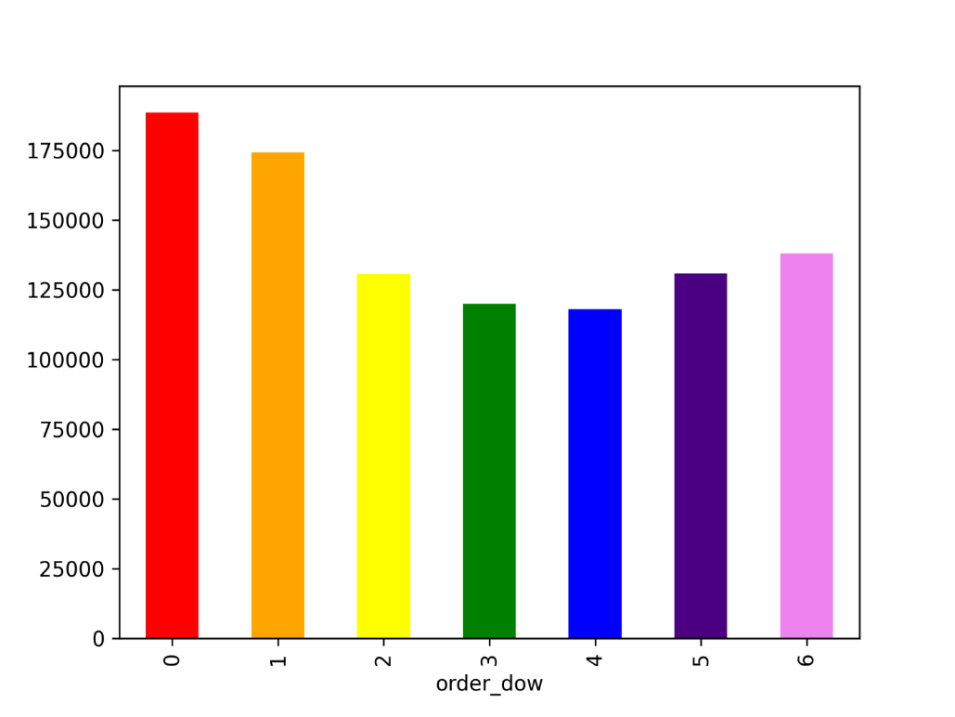

 | This shows number of orders by days of the week | Place more ads on weekdays
 | Order numbers dip in the middle of the week



 | This shows orders by hour of the day | Place more ads in early morning and later in the afternoon / evening
 | Orders ramp up from breakfast time, start decreasing from 4pm

Times of day to spend most money


 | This shows value of order by hour of day | Could be worth finding a product that complements organic bananas and promote that in the early morning
 | Although there aren't many orders at 5am, there IS a huge spike in prices at this time.
 | Further investigation showed that many organic bananas - a high value product - are sold at 5am

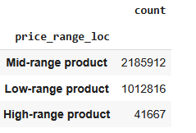
New price brackets
 | This table shows the counts of these products | Large majority are mid-range
 |  | There are very few high range products

 | Low range =<$5
 | Mid range >$5 <=$15
 | High range > $15

Most frequently ordered department

department_id | Departments 21, 10 and 18 are most frequently ordered | The most common category is unknown, suggets need to improve data collection
21 23.434286 | 21 = missing
10 20.554965 | 10 = bulk
18 19.515857 | 18 = babies
4 18.214165
16 17.710705
3 17.484832
2 17.356119
7 17.131898
14 17.020195
19 16.950390
11 16.644595
15 16.488061
12 16.434299
13 16.411972
6 16.408631
20 16.360832
17 16.119392
9 15.839461
8 15.533981
1 15.352605
5 15.017885

Distribution brand loyalty

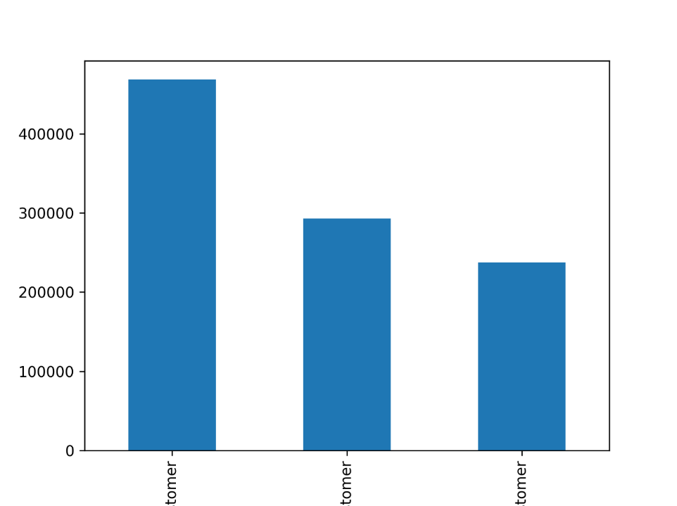
 | This shows the proportion of customers by our 'Loyalty flags' | Need to work hard on new customers to convert to regular
 | Regular customers place the most orders. New Customers are not far behind Loyal Customers in volume of orders.

Difference in order spend by loyalty of customer | Very little difference in type of order spend | Won't increase size of basket per customer, so need to concentrate on frequency

prices
mean
loyalty_flag
Loyal customer 7.691334
New customer 7.671764
Regular customer 7.693354

Difference in order spend by region

 | This shows numbers of high and low spenders by region | There's a contrast in the profile between North East and South
 |  | North East = less frequent/higher spend - so try to increase frequency
 | Midwest and West look similar | South = more frequent/lowers spend - so try to oncrease basket price

 | There are fewer customers win the NorthEast but a greater proportion are high spenders

 | There are most customers in the South and the greatest proportion of low spenders

Age and family status / income


 | This shows relationship between age and number of dependents
 | There is no obvious correlation

 | This shows realtionship between age and income | Those with most disposable income are over 40
 | The very highest incomes only comae after the age of 40, but most people earn under 200k

Suggested profiles

I've created 3 profiles
Rich Retirees' they are over 60, have a high income - as this is the group with most disposable income
Multiple_Mom', women under 40 with more than one child - as baby goods are one of the biggest selling departments
Young_and_free', people under 25, with no dependents, and at least a median income - as a contrast to the above 2 profiles

 | This shows average order by profile and region

 | Rich Retiree and Young and Free tend to place more expensive orders | So these groups appear to have more money to spend - don't need to offer value to them
 | Multiple Mom only spend a bit more than Others | Despite having more dependents, they appear to have limited spending value - so looking for value
 | Rich Retirees in the NorthEast place the most expensive orders | This group appear to be least value sensitive

 | This shows average order by profile and the top 4 departments

 | Rich Retirees spend more on "Other" - would need to find out what they are! | Other needs to be more clearly defined - and ideally these goods properly categorised

 | Young and Free spend more on Alcohol | Promote alcohol to this group

 | Multiple Mom and Young And Free spend more on pets | Will be interested in new pet products

 | Meet and Seafood gets the most spend from all our profiles

Other profiles
Also examined the busiest day of the week - day 0
Different trends in office hours
Profile of Southern customers (higher frequency / lower spend

 | On the busiest day, High Spending New Customers spend more than anyone else | These new customers are spending more, so should be havily advertised too, to encourgae even greater spend + convert to loyal with same habits

 | This chart shows they are a consistent proportion by region

 | Alcohol sells considerably more than other products in office hours | Alcohol is a high value product - may be able to increase sales

 | This chart shows that people aged 18 - 24 and 56-60 buy more than others | Any promotion of alcohol must be done with sensitivity

 | There are more customers in the South than other regions | Organic bananas are a high value product - see if sales can be increased in the South

 | This chart shows that the products they buy - in $ sales - is similar to the other regions

 | They buy slightly fewer organic bananas and slightly more organic apples

